tutorial page sample
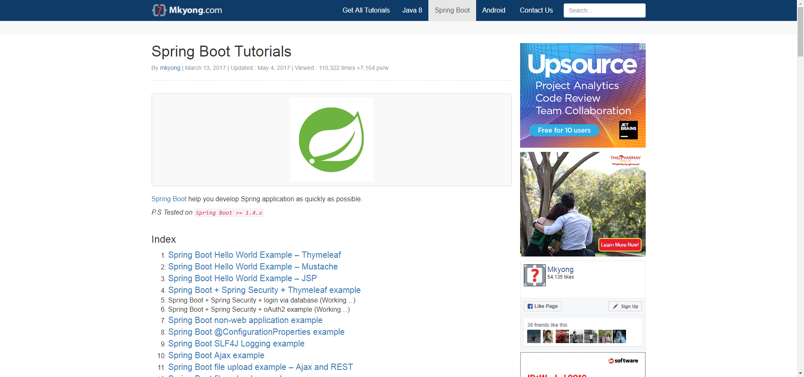

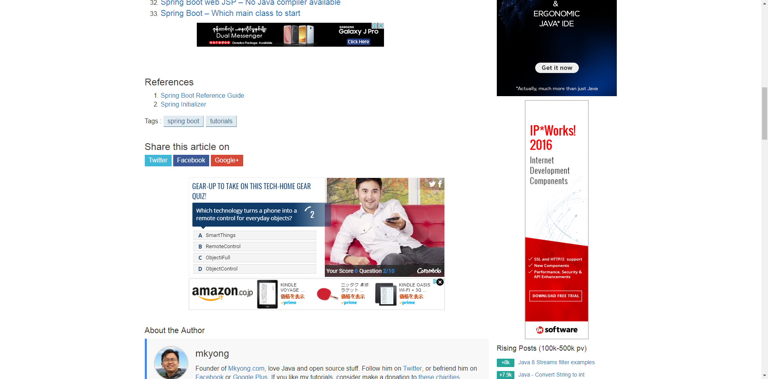

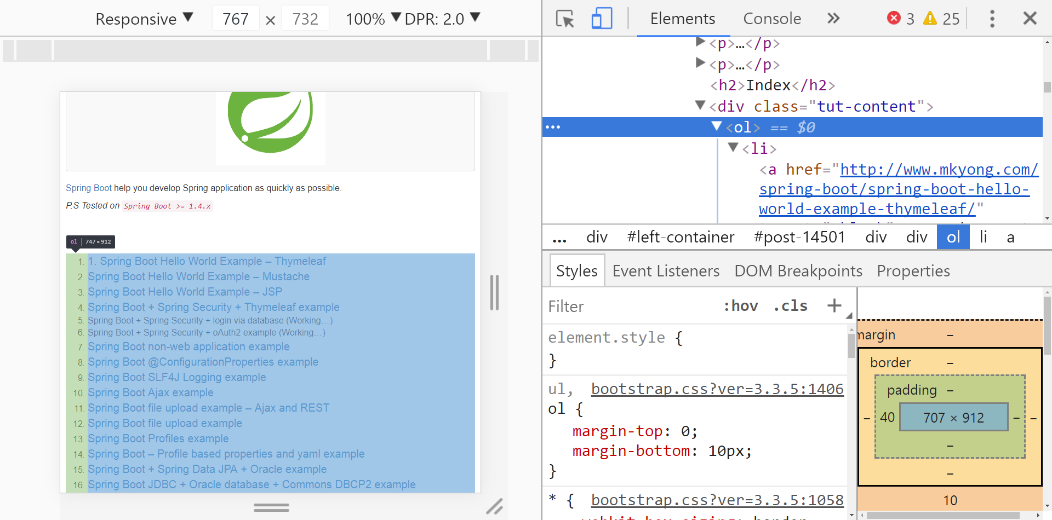

https://bootsnipp.com/snippets/MaeN9

 | 1 | A professional programmer guide to work eithc
 |  | AUGUST 17, 2017 / BY YE WIN
 | 2 | Java Encapsulation For Experienced Programmer
 |  | AUGUST 24, 2017 / BY YE WIN

